No sales interface to GAIA
SAMPLE EMAIL from FIA
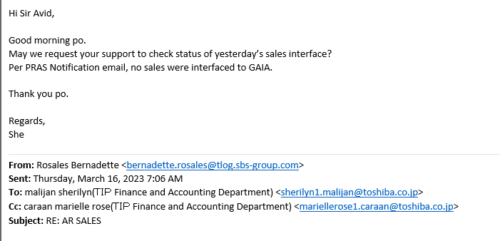

In this scenario, the TLOG failedor forgot to run the Dataload after S/A closing that resulted a delay with the data.
They should interface the data to GAIA at exactly 5pm, if not? They will be having a delay on the data and it willinterface on the next day.

Solution:
You can check the data in the tables for AP or you can simply ask them if they already run all the process needed.

